Wilier Rave SLR ID2 2025
brand | Wilier
model | Rave SLR ID2
model year | 2025
input date | 7-Jul-25
URL | https://www.wilier.com/en/bikes/gravel/rave-slr-id2?color=v11-glitch-black
material | udh | dropout | 700c width max | 650B tire max | suspension corrected | fork suspension | stem suspension | rear suspension | rear axle | front axle | q-factor | seatpost diameter | routing shifter | routing dropper | routing dynamo | front derailleur | chainring 1 | chainring 2 | bottom bracket | mounts inner | mounts under | mounts top | mounts fork | mounts fender rear | mounts fender front | mounts rack | ISO ASTM | rotor max front | rotor max rear | frameset | base build | currency | internal storage
carbon | yes | 0 | 53 |  | no | no | no | no |  |  |  |  |  |  |  | no | 50 |  | pf |  |  |  |  |  |  |  |  |  |  |  |  |  | no

measure range | a10:h35
frame_size | frame_size | XS | S | M | L | XL | XXL |  | XS | S | M | L | XL | XXL |  | E - BB DROP (MM) | F - *SEAT ANGLE° | G - *HEAD ANGLE° | H - FORK OFFSET | I - STACK (MM) | J - REACH (MM) | K - WHEEL BASE (MM) | DOWN TUBE OD | TOP TUBE OD
seat_tube_cc | C/C (cm) | 432 | 462 | 482 | 502 | 522 | 542 |  | 43.2 | 46.2 | 48.2 | 50.2 | 52.2 | 54.2
top_tube_effective_length | L (cm) | 516 | 532 | 549 | 566 | 583 | 597 |  | 51.6 | 53.2 | 54.9 | 56.6 | 58.3 | 59.7
seat_tube_length | H (cm) | 450 | 480 | 500 | 520 | 540 | 560 |  | 45 | 48 | 50 | 52 | 54 | 56
seat_tube_angle | A (°) | 75.5 | 74.7 | 74 | 73.5 | 73 | 73 |  | 75.5 | 74.7 | 74 | 73.5 | 73 | 73
chainstay_length | L1 (cm) | 419 | 419 | 421 | 421 | 423 | 423 |  | 41.9 | 41.9 | 42.1 | 42.1 | 42.3 | 42.3
head_tube_length | H1 (cm) | 107 | 118 | 131 | 148 | 166 | 185 |  | 10.7 | 11.8 | 13.1 | 14.8 | 16.6 | 18.5
head_tube_angle | A1 (°) | 70 | 70 | 70.8 | 71.2 | 71.6 | 72 |  | 69.2 | 70 | 70.8 | 71.2 | 71.6 | 72
reach | Reach (mm) | 375 | 381 | 387 | 393 | 400 | 408 |  | 375 | 381 | 387 | 393 | 400 | 408
stack | Stack (mm) | 532 | 546 | 561 | 579 | 597 | 617 |  | 532 | 546 | 561 | 579 | 597 | 617
wheelbase | Wheelbase (mm) | 1014 | 1017 | 1022 | 1031 | 1042 | 1052 |  | 1014 | 1017 | 1022 | 1031 | 1042 | 1052
bottom_bracket_drop | bottom_bracket_drop | 75 | 75 | 75 | 75 | 75 | 75 | bikeinsights
fork_offset_rake | fork_offset_rake | 50 | 50 | 50 | 50 | 50 | 50 | bikeinsights
front_center | front_center
axle_crown | axle_crown
trail | trail
handlebar_width | handlebar_width
stem_length | stem_length | 88 | 88 | 88 | 114 | 114 | 114 | grand fondo, two stem-handlebar sizes
crank_length | crank_length
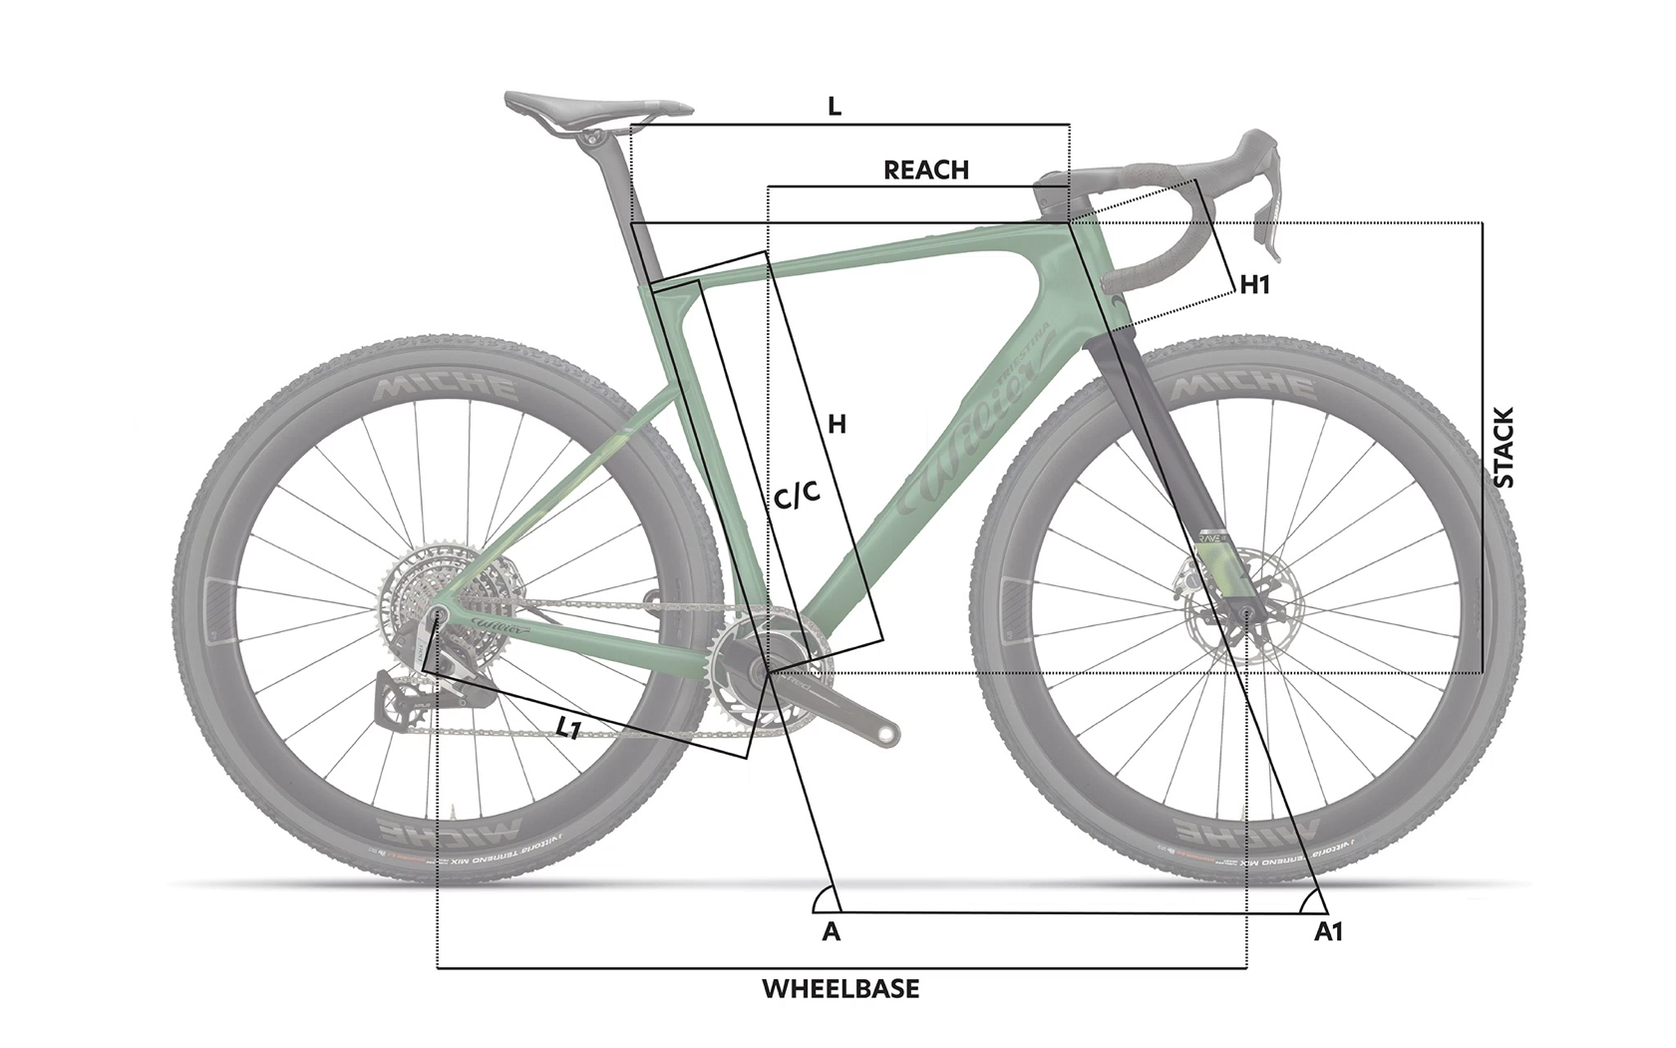
standover | standover
frame_weight |  |  |  | 980
wheel_size | wheel_size | 700 | 700 | 700 | 700 | 700 | 700
tire_width_spec | tire_width_spec | 50 | 50 | 50 | 50 | 50 | 50
tire_width_max | tire_width_max | 52 | 52 | 52 | 52 | 52 | 52
rider_min | rider_min | 150.0 | 164.5 | 171.5 | 178.5 | 185.5 | 191.5
rider_max | rider_max | 164.5 | 171.5 | 178.5 | 185.5 | 191.5 | 200.0
 |  | 150 | 165 | 172 | 179 | 186 | 192 | using the calculator
 |  | 164 | 171 | 178 | 185 | 191 | 200

